Particle Technology Tutorial 1
Droplet diameter vs Mixing speed
mixing speed | droplet diameter
100 | 0.001
101 | 0.00098029604941
102 | 0.00096116878124
103 | 0.00094259590913
104 | 0.00092455621302
105 | 0.00090702947846
106 | 0.00088999644001
107 | 0.00087343872827
108 | 0.0008573388203
109 | 0.00084167999327
110 | 0.00082644628099
111 | 0.00081162243324
112 | 0.00079719387755
113 | 0.00078314668337
114 | 0.00076946752847
115 | 0.0007561436673
116 | 0.00074316290131
117 | 0.00073051355103
118 | 0.00071818442976
119 | 0.00070616481887
120 | 0.00069444444444
Note: Exponential decay, the more the mixing speed increases, the less of an effect it has on the droplet diameter, it starts to plateau at around 4x10^-5 meters by the looks of things. This is because it is inversely proportional to the square of the mixing speed.
121 | 0.00068301345537
122 | 0.00067186240258
123 | 0.00066098221958
124 | 0.00065036420395
125 | 0.00064
126 | 0.00062988158226
127 | 0.00062000124
128 | 0.0006103515625
129 | 0.00060092542515
130 | 0.00059171597633
131 | 0.00058271662491
132 | 0.00057392102847
133 | 0.00056532308214
134 | 0.000556916908
135 | 0.00054869684499
136 | 0.00054065743945
137 | 0.00053279343598
138 | 0.00052509976896
139 | 0.00051757155427
140 | 0.00051020408163
141 | 0.0005029928072
142 | 0.00049593334656
143 | 0.00048902146804
144 | 0.00048225308642
145 | 0.00047562425684
146 | 0.00046913116907
147 | 0.00046277014207
148 | 0.0004565376187
149 | 0.0004504301608
150 | 0.00044444444444
151 | 0.00043857725538
152 | 0.00043282548476
153 | 0.00042718612499
154 | 0.00042165626581
155 | 0.00041623309053
156 | 0.00041091387245
157 | 0.00040569597144
158 | 0.00040057683064
159 | 0.00039555397334
160 | 0.000390625
161 | 0.00038578758536
162 | 0.00038103947569
163 | 0.00037637848621
164 | 0.00037180249851
165 | 0.00036730945822
166 | 0.00036289737262
167 | 0.00035856430851
168 | 0.00035430839002
169 | 0.00035012779665
170 | 0.00034602076125
171 | 0.00034198556821
172 | 0.00033802055165
173 | 0.00033412409369
174 | 0.0003302946228
175 | 0.00032653061224
176 | 0.00032283057851
177 | 0.00031919307989
178 | 0.00031561671506
179 | 0.00031210012172
180 | 0.00030864197531
181 | 0.00030524098776
182 | 0.00030189590629
183 | 0.00029860551226
184 | 0.00029536862004
185 | 0.00029218407597
186 | 0.00028905075731
187 | 0.00028596757128
188 | 0.00028293345405
189 | 0.00027994736989
190 | 0.00027700831025
191 | 0.00027411529289
192 | 0.00027126736111
193 | 0.00026846358291
194 | 0.00026570305027
195 | 0.00026298487837
196 | 0.00026030820491
197 | 0.00025767218944
198 | 0.00025507601265
199 | 0.00025251887579
200 | 0.00025
201 | 0.00024751862578
202 | 0.00024507401235
203 | 0.00024266543716
204 | 0.00024029219531
205 | 0.00023795359905
206 | 0.00023564897728
207 | 0.00023337767509
208 | 0.00023113905325
209 | 0.00022893248781
210 | 0.00022675736961
211 | 0.00022461310393
212 | 0.00022249911
213 | 0.00022041482069
214 | 0.00021835968207
215 | 0.00021633315306
216 | 0.00021433470508
217 | 0.0002123638217
218 | 0.00021041999832
219 | 0.00020850274181
220 | 0.00020661157025
221 | 0.00020474601257
222 | 0.00020290560831
223 | 0.0002010899073
224 | 0.00019929846939
225 | 0.0001975308642
226 | 0.00019578667084
227 | 0.00019406547769
228 | 0.00019236688212
229 | 0.00019069049027
230 | 0.00018903591682
231 | 0.00018740278481
232 | 0.00018579072533
233 | 0.00018419937741
234 | 0.00018262838776
235 | 0.00018107741059
236 | 0.00017954610744
237 | 0.00017803414695
238 | 0.00017654120472
239 | 0.00017506696311
240 | 0.00017361111111
241 | 0.00017217334412
242 | 0.00017075336384
243 | 0.00016935087808
244 | 0.00016796560064
245 | 0.00016659725115
246 | 0.00016524555489
247 | 0.00016391024275
248 | 0.00016259105099
249 | 0.00016128772117
250 | 0.00016
251 | 0.00015872763924
252 | 0.00015747039557
253 | 0.00015622803043
254 | 0.00015500031
255 | 0.000153787005
256 | 0.00015258789062
257 | 0.00015140274645
258 | 0.00015023135629
259 | 0.00014907350815
260 | 0.00014792899408
261 | 0.00014679761013
262 | 0.00014567915623
263 | 0.00014457343608
264 | 0.00014348025712
265 | 0.0001423994304
266 | 0.00014133077054
267 | 0.00014027409558
268 | 0.000139229227
269 | 0.00013819598955
270 | 0.00013717421125
271 | 0.00013616372326
272 | 0.00013516435986
273 | 0.00013417595835
274 | 0.000133198359
275 | 0.00013223140496
276 | 0.00013127494224
277 | 0.00013032881961
278 | 0.00012939288857
279 | 0.00012846700325
280 | 0.00012755102041
281 | 0.00012664479933
282 | 0.0001257482018
283 | 0.00012486109204
284 | 0.00012398333664
285 | 0.00012311480456
286 | 0.00012225536701
287 | 0.00012140489747
288 | 0.0001205632716
289 | 0.00011973036721
290 | 0.00011890606421
291 | 0.00011809024456
292 | 0.00011728279227
293 | 0.00011648359329
294 | 0.00011569253552
295 | 0.00011490950876
296 | 0.00011413440467
297 | 0.00011336711673
298 | 0.0001126075402
299 | 0.00011185557209
300 | 0.00011111111111
301 | 0.00011037405768
302 | 0.00010964431385
303 | 0.00010892178327
304 | 0.00010820637119
305 | 0.00010749798441
306 | 0.00010679653125
307 | 0.00010610192151
308 | 0.00010541406645
309 | 0.00010473287879
310 | 0.00010405827263
311 | 0.00010339016346
312 | 0.00010272846811
313 | 0.00010207310476
314 | 0.00010142399286
315 | 0.00010078105316
316 | 0.00010014420766
317 | 9.9513379574E-05
318 | 9.8888493335E-05
319 | 9.8269474553E-05
320 | 9.765625E-05
321 | 9.7048747586E-05
322 | 9.6446896339E-05
323 | 9.5850626384E-05
324 | 9.5259868922E-05
325 | 9.4674556213E-05
326 | 9.4094621551E-05
327 | 9.3519999252E-05
328 | 9.2950624628E-05
329 | 9.2386433976E-05
330 | 9.1827364555E-05
331 | 9.127335457E-05
332 | 9.0724343156E-05
333 | 9.018027036E-05
334 | 8.9641077127E-05
335 | 8.910670528E-05
336 | 8.8577097506E-05
337 | 8.8052197343E-05
338 | 8.7531949161E-05
339 | 8.7016298153E-05
340 | 8.6505190311E-05
341 | 8.5998572424E-05
342 | 8.5496392052E-05
343 | 8.4998597523E-05
344 | 8.4505137912E-05
345 | 8.4015963033E-05
346 | 8.3531023422E-05
347 | 8.3050270329E-05
348 | 8.2573655701E-05
349 | 8.2101132175E-05
350 | 8.1632653061E-05
351 | 8.1168172336E-05
352 | 8.0707644628E-05
353 | 8.0251025207E-05
354 | 7.9798269974E-05
355 | 7.9349335449E-05
356 | 7.8904178765E-05
357 | 7.8462757652E-05
358 | 7.802503043E-05
359 | 7.7590955998E-05
360 | 7.7160493827E-05
361 | 7.6733603947E-05
362 | 7.631024694E-05
363 | 7.5890383929E-05
364 | 7.5473976573E-05
365 | 7.5060987052E-05
366 | 7.4651378064E-05
367 | 7.4245112815E-05
368 | 7.3842155009E-05
369 | 7.3442468842E-05
370 | 7.3046018992E-05
371 | 7.2652770613E-05
372 | 7.2262689328E-05
373 | 7.1875741219E-05
374 | 7.1491892819E-05
375 | 7.1111111111E-05
376 | 7.0733363513E-05
377 | 7.0358617875E-05
378 | 6.9986842474E-05
379 | 6.9618006001E-05
380 | 6.9252077562E-05
381 | 6.8889026667E-05
382 | 6.8528823223E-05
383 | 6.8171437531E-05
384 | 6.7816840278E-05
385 | 6.746500253E-05
386 | 6.7115895729E-05
387 | 6.6769491684E-05
388 | 6.6425762568E-05
389 | 6.608468091E-05
390 | 6.5746219592E-05
391 | 6.5410351842E-05
392 | 6.5077051229E-05
393 | 6.4746291656E-05
394 | 6.441804736E-05
395 | 6.4092292902E-05
396 | 6.3769003163E-05
397 | 6.3448153341E-05
398 | 6.3129718946E-05
399 | 6.2813675793E-05
400 | 0.0000625
401 | 6.2188667981E-05
402 | 6.1879656444E-05
403 | 6.1572942386E-05
404 | 6.1268503088E-05
405 | 6.096631611E-05
406 | 6.066635929E-05
407 | 6.0368610737E-05
408 | 6.0073048827E-05
409 | 5.9779652202E-05
410 | 5.9488399762E-05
411 | 5.9199270665E-05
412 | 5.8912244321E-05
413 | 5.8627300389E-05
414 | 5.8344418773E-05
415 | 5.806357962E-05
416 | 5.7784763314E-05
417 | 5.7507950474E-05
418 | 5.7233121952E-05
419 | 5.6960258827E-05
420 | 5.6689342404E-05
421 | 5.6420354207E-05
422 | 5.6153275982E-05
423 | 5.5888089689E-05
424 | 5.5624777501E-05
425 | 5.5363321799E-05
426 | 5.5103705173E-05
427 | 5.4845910415E-05
428 | 5.4589920517E-05
429 | 5.4335718671E-05
430 | 5.4083288264E-05
431 | 5.3832612874E-05
432 | 5.3583676269E-05
433 | 5.3336462406E-05
434 | 5.3090955425E-05
435 | 5.2847139649E-05
436 | 5.2604999579E-05
437 | 5.2364519896E-05
438 | 5.2125685453E-05
439 | 5.1888481276E-05
440 | 5.1652892562E-05
441 | 5.1418904674E-05
442 | 5.1186503143E-05
443 | 5.0955673659E-05
444 | 5.0726402078E-05
445 | 5.049867441E-05
446 | 5.0272476824E-05
447 | 5.0047795645E-05
448 | 4.9824617347E-05
449 | 4.9602928557E-05
450 | 4.9382716049E-05
451 | 4.9163966745E-05
452 | 4.8946667711E-05
453 | 4.8730806154E-05
454 | 4.8516369423E-05
455 | 4.8303345007E-05
456 | 4.8091720529E-05
457 | 4.7881483751E-05
458 | 4.7672622566E-05
459 | 4.7465124999E-05
460 | 4.7258979206E-05
461 | 4.705417347E-05
462 | 4.6850696201E-05
463 | 4.6648535936E-05
464 | 4.6447681332E-05
465 | 4.624812117E-05
466 | 4.6049844352E-05
467 | 4.5852839896E-05
468 | 4.5657096939E-05
469 | 4.5462604734E-05
470 | 4.5269352648E-05
471 | 4.507733016E-05
472 | 4.488652686E-05
473 | 4.469693245E-05
474 | 4.4508536737E-05
475 | 4.432132964E-05
476 | 4.4135301179E-05
477 | 4.3950441482E-05
478 | 4.3766740778E-05
479 | 4.3584189399E-05
480 | 4.3402777778E-05
481 | 4.3222496445E-05
482 | 4.3043336031E-05
483 | 4.2865287262E-05
484 | 4.268834096E-05
485 | 4.2512488043E-05
486 | 4.2337719521E-05
487 | 4.2164026496E-05
488 | 4.1991400161E-05
489 | 4.1819831801E-05
490 | 4.1649312786E-05
491 | 4.1479834578E-05
492 | 4.1311388724E-05
493 | 4.1143966854E-05
494 | 4.0977560688E-05
495 | 4.0812162024E-05
496 | 4.0647762747E-05
497 | 4.0484354821E-05
498 | 4.0321930291E-05
499 | 4.0160481283E-05
500 | 0.00004

Advanced Reactors Tutorial 2
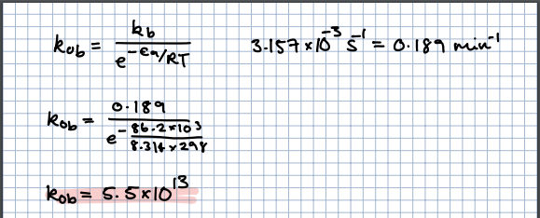
Here is python code that will do the same thing as this sheet: import math
import matplotlib.pyplot as plt
import numpy as np
conversion_target = 0.75
step = 5 # the smaller this is the more accurate the final result will be
t2_celcius = np.arange(0, 100 + step, step)
t2 = [temp + 273.15 for temp in t2_celcius]
t1 = 298.15
r = 8.3145
dh0 = -75300
def get_ke2(t2_value):
ke2 = 300 * (math.exp((-dh0 / r) * ((t1 - t2_value) / (t1 * t2_value))))
return ke2
ke2 = [get_ke2(temp) for temp in t2]
xae = [x / (1 + x) for x in ke2]
result = [t for t, x in zip(t2_celcius, xae) if x > conversion_target]
if result:
print(f'The maximum temperature that gives a conversion of {conversion_target * 100:.2f}% is {result[-1]:.2f} °C')
else:
print(f'No temperature could be found which gave the target conversion of {conversion_target * 100:.2f}%')
plt.figure(figsize=(6,6),facecolor='none')
plt.plot(t2_celcius, xae, color='red')
plt.xlabel(r'Temperature ($\degree$C)')
plt.ylabel('Conversion')
plt.minorticks_on()
plt.grid(which='both')
plt.gca().set_facecolor('none')
plt.show()
temp celcius | temp kelvin | t1t2 | t1-t2 | t1-t2 / t1t2 | ke2 | xae
0 | 273.15 | 81439.6725 | 25 | 0.00030697569419 | 4836.2645194 | 0.99979327159
5 | 278.15 | 82930.4225 | 20 | 0.00024116602083 | 2664.8278358 | 0.999624882
10 | 283.15 | 84421.1725 | 15 | 0.00017768054572 | 1499.5803527 | 0.99933359117
15 | 288.15 | 85911.9225 | 10 | 0.00011639827988 | 860.86674697 | 0.99883972783
20 | 293.15 | 87402.6725 | 5 | 5.7206488738E-05 | 503.64476458 | 0.99801840806
25 | 298.15 | 88893.4225 | 0 | 0 | 300 | 0.99667774086
30 | 303.15 | 90384.1725 | -5 | -5.5319420001E-05 | 181.77759582 | 0.99452886993
35 | 308.15 | 91874.9225 | -10 | -0.00010884362923 | 111.9490292 | 0.99114644891
40 | 313.15 | 93365.6725 | -15 | -0.00016065861894 | 70.020138595 | 0.98591948679
45 | 318.15 | 94856.4225 | -20 | -0.00021084497468 | 44.445858669 | 0.97799579479
50 | 323.15 | 96347.1725 | -25 | -0.0002594782945 | 28.611985494 | 0.96622989025
55 | 328.15 | 97837.9225 | -30 | -0.00030662956892 | 18.667829848 | 0.94915554956
60 | 333.15 | 99328.6725 | -35 | -0.00035236552668 | 12.336908903 | 0.92502010719
65 | 338.15 | 100819.4225 | -40 | -0.00039674894984 | 8.2535091255 | 0.89193288876
70 | 343.15 | 102310.1725 | -45 | -0.00043983896127 | 5.5867357121 | 0.84817972912
75 | 348.15 | 103800.9225 | -50 | -0.00048169128747 | 3.8242444882 | 0.79271365652
80 | 353.15 | 105291.6725 | -55 | -0.00052235849896 | 2.6460279916 | 0.72572892959
85 | 358.15 | 106782.4225 | -60 | -0.00056189023058 | 1.8497339117 | 0.64909004455
90 | 363.15 | 108273.1725 | -65 | -0.0006003333836 | 1.3058871612 | 0.56632743491
95 | 368.15 | 109763.9225 | -70 | -0.00063773231136 | 0.93069882398 | 0.48205282586
100 | 373.15 | 111254.6725 | -75 | -0.00067412898995 | 0.66935220507 | 0.40096523851

t1 | 298.15
dh0 | -75300
dg0 | -14130
r | 8.3145

Note: This is the reference temperature we have used, this means that the exponential will be to the power zero, which will yield one as the multiplier of ke1, in turn it means that the ke2 value is equal to ke1 at this temperature (which equals 300 in this case).

Part B of the question asks what restrictions you would need under adiabatic conditions if you wanted a conversion more than 75%. The answer to this would be that you would want to operate the reactor isothermally below 75 celcius. Looking at the highlighted line and point of this colour, we can see that at 75 celcius we are just over our 75% conversion, going to a higher temperature would mean a conversion less than 75% (given the 5 degree increments used here anyways). In an adiabatic system, the heat cannot escape, this means that for an exothermic reaction like this one (negative delta H), it will lead to a temperature rise, meaning lower conversion (which we don't want). So operating isothermally below 75 celcius would give the control needed to keep a decent conversion.

part b)

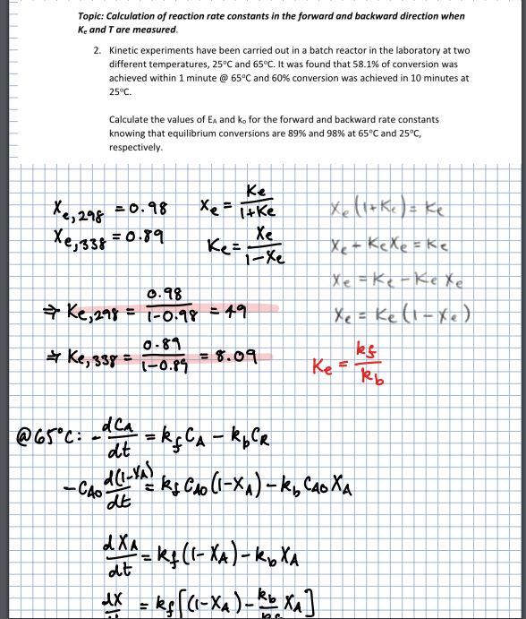

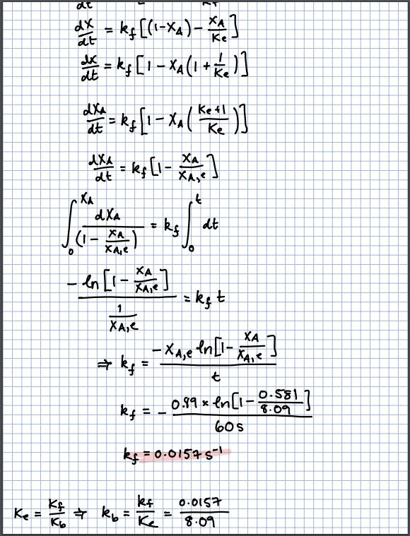

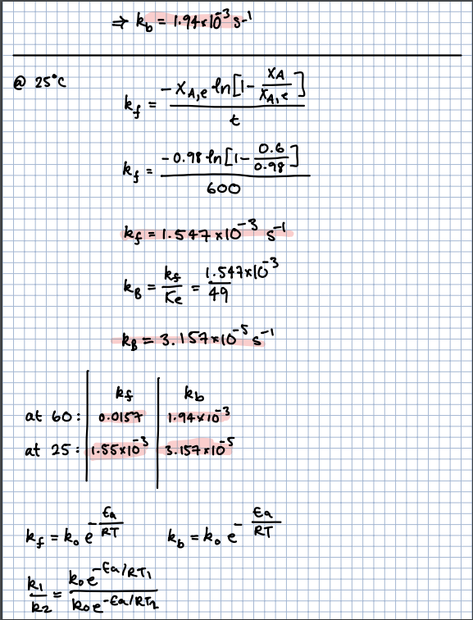

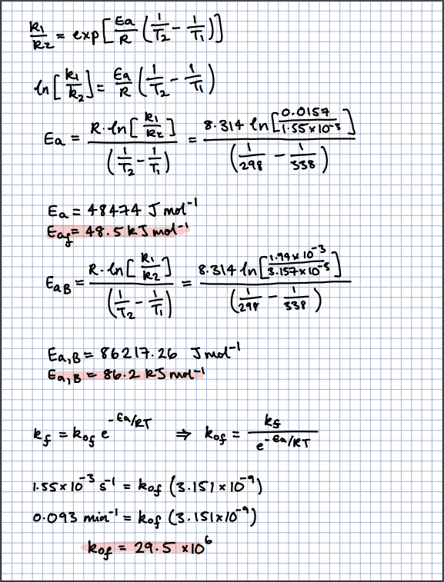

 |  |  |  |  |  |  | Note in this line, you use the k values for the forward at the different temps, not kf and kb at same temp

Advanced Reactors Tutorial 3
 | Equilibrium line | r=2
0 | 0.99979327159
5 | 0.999624882
10 | 0.99933359117
15 | 0.99883972783
20 | 0.99801840806
25 | 0.99667774086
30 | 0.99452886993
35 | 0.99114644891
40 | 0.98591948679
45 | 0.97799579479
50 | 0.96622989025
55 | 0.94915554956
60 | 0.92502010719
65 | 0.89193288876
70 | 0.84817972912
75 | 0.79271365652
80 | 0.72572892959
85 | 0.64909004455
90 | 0.56632743491
95 | 0.48205282586
100 | 0.40096523851
temp celcius | temp kelvin | t1t2 | t1-t2 | t1-t2 / t1t2 | ke2 | xae | kf
0 | 273.15 | 81439.6725 | 25 | 0.00030697569419 | 4836.2645194 | 0.99979327159 | 50.599398
5 | 278.15 | 82930.4225 | 20 | 0.00024116602083 | 2664.8278358 | 0.999624882 | 74.263067478
10 | 283.15 | 84421.1725 | 15 | 0.00017768054572 | 1499.5803527 | 0.99933359117 | 107.52653191
15 | 288.15 | 85911.9225 | 10 | 0.00011639827988 | 860.86674697 | 0.99883972783 | 153.70215369
20 | 293.15 | 87402.6725 | 5 | 5.7206488738E-05 | 503.64476458 | 0.99801840806 | 217.04574016
25 | 298.15 | 88893.4225 | 0 | 0 | 300 | 0.99667774086 | 302.96738036
30 | 303.15 | 90384.1725 | -5 | -5.5319420001E-05 | 181.77759582 | 0.99452886993 | 418.27556284
35 | 308.15 | 91874.9225 | -10 | -0.00010884362923 | 111.9490292 | 0.99114644891 | 571.4572
40 | 313.15 | 93365.6725 | -15 | -0.00016065861894 | 70.020138595 | 0.98591948679 | 772.99600285
45 | 318.15 | 94856.4225 | -20 | -0.00021084497468 | 44.445858669 | 0.97799579479 | 1035.7314161
50 | 323.15 | 96347.1725 | -25 | -0.0002594782945 | 28.611985494 | 0.96622989025 | 1375.2600407
55 | 328.15 | 97837.9225 | -30 | -0.00030662956892 | 18.667829848 | 0.94915554956 | 1810.3811453
60 | 333.15 | 99328.6725 | -35 | -0.00035236552668 | 12.336908903 | 0.92502010719 | 2363.5875008
65 | 338.15 | 100819.4225 | -40 | -0.00039674894984 | 8.2535091255 | 0.89193288876 | 3061.6023768
70 | 343.15 | 102310.1725 | -45 | -0.00043983896127 | 5.5867357121 | 0.84817972912 | 3935.9631151
75 | 348.15 | 103800.9225 | -50 | -0.00048169128747 | 3.8242444882 | 0.79271365652 | 5023.6512522
80 | 353.15 | 105291.6725 | -55 | -0.00052235849896 | 2.6460279916 | 0.72572892959 | 6367.7687132
85 | 358.15 | 106782.4225 | -60 | -0.00056189023058 | 1.8497339117 | 0.64909004455 | 8018.2591435
90 | 363.15 | 108273.1725 | -65 | -0.0006003333836 | 1.3058871612 | 0.56632743491 | 10032.672991
95 | 368.15 | 109763.9225 | -70 | -0.00063773231136 | 0.93069882398 | 0.48205282586 | 12476.97451
100 | 373.15 | 111254.6725 | -75 | -0.00067412898995 | 0.66935220507 | 0.40096523851 | 15426.388442

t1 | 298.15
dh0 | -75300 |  |  | k0 | 94109848348
dg0 | -14130 |  |  | k0
r | 8.3145 |  |  | 300
pre-exp factor | 9.23E+10
ca0 | 1
eaf | 48474
eab | 86217

